Patch,Logo,EmbroideryStandard
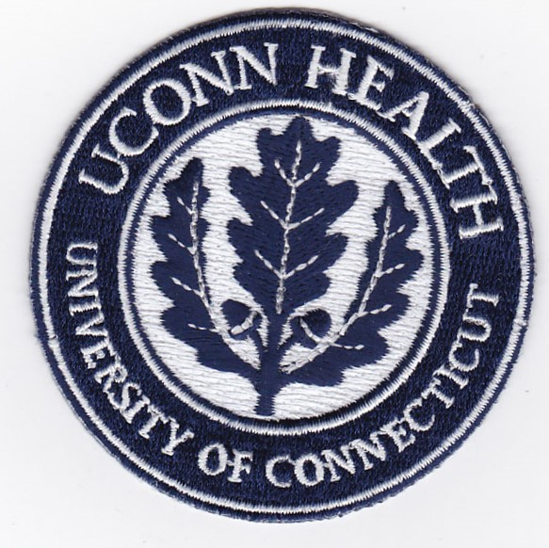
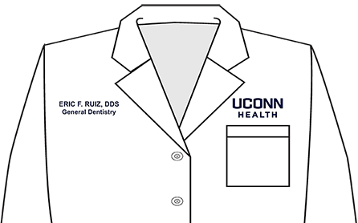

Approved UConn Health patch for lab coats

 | UConn Brand Standard for LOGO and Embroidery

