Sheet1
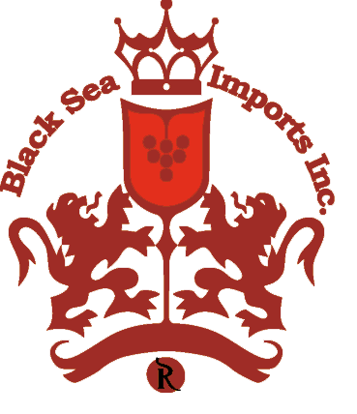
Black Sea Imports Inc
Importer and Distributor of Fine Wines & Spirits

Brooklyn Army Terminal
140 58th Street, Building B, Unit 2C
Brooklyn, NY 11220
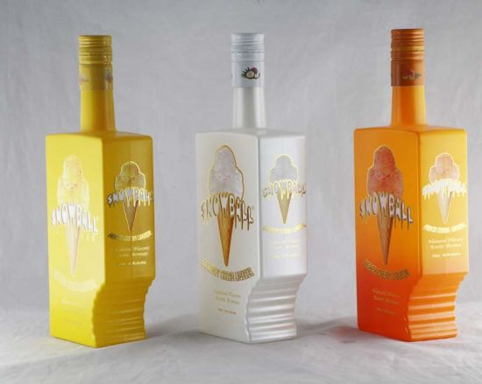
718 513-6230, 718 360-2260
Fax: 866 724-4682

SNOWBALL Cream Liqueur | Case | BTL
Coconut 12/750ml | $138.00 | $11.50
Peach 12/750ml | $138.00 | $11.50
Mango 12/750ml | $138.00 | $11.50
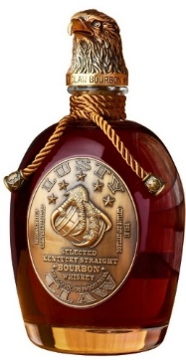
Lusty Claw | Case | BTL
Kentucky Bourbon 6/750ml | $210.00 | $35.00
Kentucky Rye Whiskey 6/750ml | $222.00 | $37.00

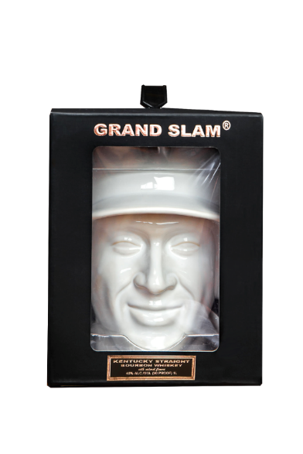
Jade Sparkling wine | Case | BTL
Brut 6/750ml | $42.00 | $7.00
Rose 6/750ml | $42.00 | $7.00
Moscato 6/750ml | $42.00 | $7.00

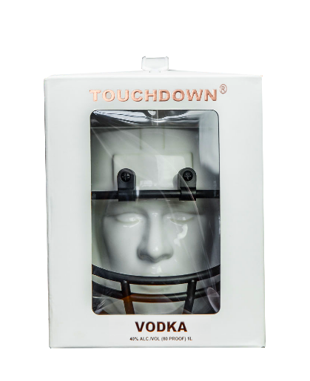
Grand Slam | Case | BTL
Kentucky Bourbon 6/750ml | $258.00 | $43.00
Kentucky Whiskey 6/750ml | $240.00 | $40.00

Touchdown | Case | BTL
Kentucky Bourbon 6/750ml | $258.00 | $43.00
Kentucky Vodka 6/750ml | $222.00 | $37.00

